Sheet1
SURVEY ON EXPENSES BY CAREGIVERS |  |  |  | UNIT (KSH) | No | Cost Ave | Ave/caregiver
 |  |  |  | 1-10000 | 12 | 5000.5 | 60,006.00
 |  | SCHOOL FEE |  | 10001-20000 | 13 | 15000.5 | 195,006.50
 |  |  |  | 20001-50000 | 23 | 35000.5 | 805,011.50
 |  |  |  | 50001-70000 | 9 | 60000.5 | 540,004.50
 |  |  |  | 70001-100000 | 7 | 85000.5 | 595,003.50
 |  |  |  | 100001-250000 | 9 | 175000.5 | 1,575,004.50

 |  |  |  |  | 73 |  | 3,770,036.50 | 51,644.34
 |  |  |  |  |  |  |  | PQ
 |  |  | MEDICATION
 |  |  |  | 1-500 | 3 | 250.5 | 751.50
 |  |  |  | 501-1000 | 4 | 750.5 | 3,002.00
 |  |  |  | 1001-2500 | 15 | 1750.5 | 26,257.50
 |  |  |  | 2501-5000 | 29 | 3750.5 | 108,764.50
 |  |  |  | 5000-35000 | 29 | 20000.5 | 580,014.50
 |  |  |  |  | 0 |  | -

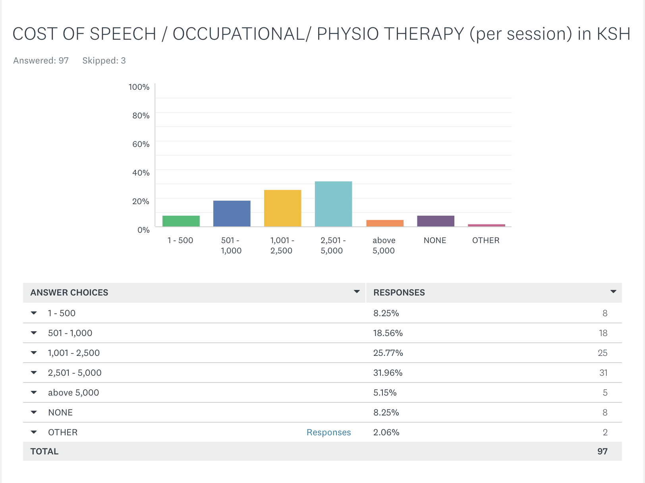
 |  |  |  |  | 80 |  | 718,790.00 | 8,984.88
 |  |  |  |  |  |  |  | PM
 |  |  | THERAPY
 |  |  |  | 1-500 | 8 | 250.5 | 2,004.00
 |  |  |  | 501-1000 | 18 | 750.5 | 13,509.00
 |  |  |  | 1001-2500 | 25 | 1750.5 | 43,762.50
 |  |  |  | 2501-5000 | 31 | 3750.5 | 116,265.50
 |  |  |  | 5001-10000 | 5 | 7500.5 | 37,502.50
 |  |  |  |  |  |  | -

 |  |  |  |  | 87 |  | 213,043.50 | 2,448.78
 |  |  |  |  |  |  |  | X3 /Wk

 | SPECIALISTS
 |  |  |  | 1-500 | 4 | 250.5 | 1,002.00
 |  |  |  | 501-1000 | 4 | 750.5 | 3,002.00
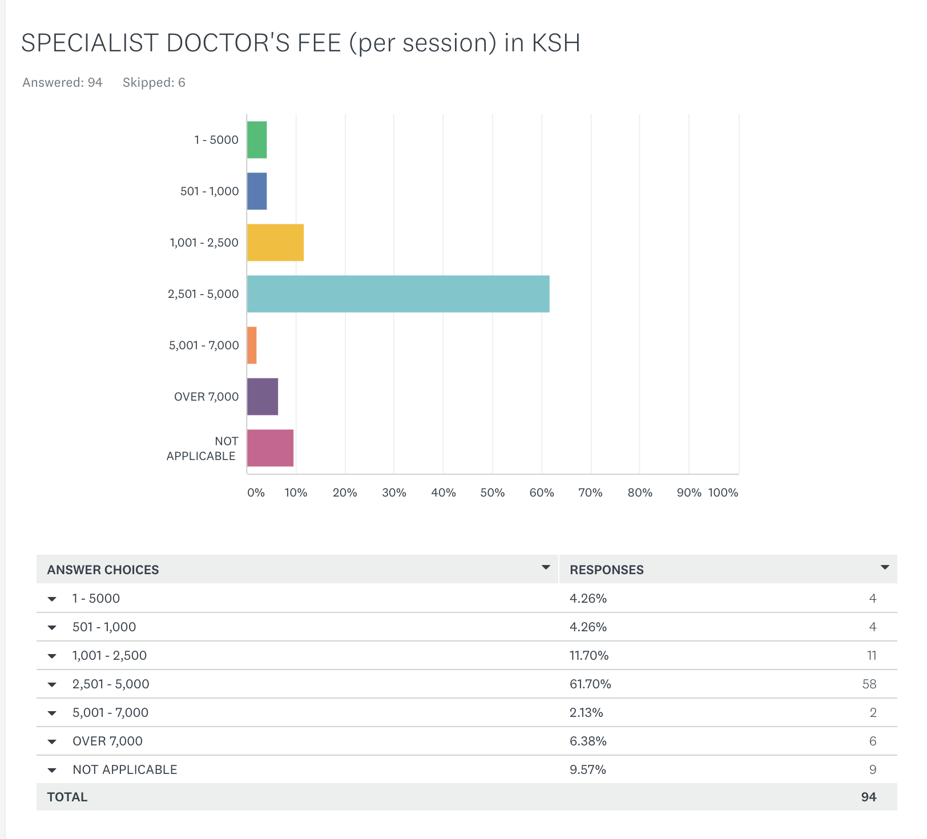
 |  |  |  | 1001-2500 | 11 | 1750.5 | 19,255.50
 |  |  |  | 2501-5000 | 58 | 3750.5 | 217,529.00
 |  |  |  | 5001-7000 | 2 | 6000.5 | 12,001.00
 |  |  |  | 7001-10000 | 6 | 8500.5 | 51,003.00

 |  |  |  |  | 85 |  | 303,792.50 | 3,574.03
 |  |  |  |  |  |  |  | PM

 | LEARNING AIDS
 |  |  |  | 1-500 | 3 | 250.5 | 751.50
 |  |  |  | 501-1000 | 4 | 750.5 | 3,002.00
 |  |  |  | 1001-2500 | 15 | 1750.5 | 26,257.50
 |  |  |  | 2501-5000 | 29 | 3750.5 | 108,764.50
 |  |  |  | 5001-10000 | 29 | 7500.5 | 217,514.50
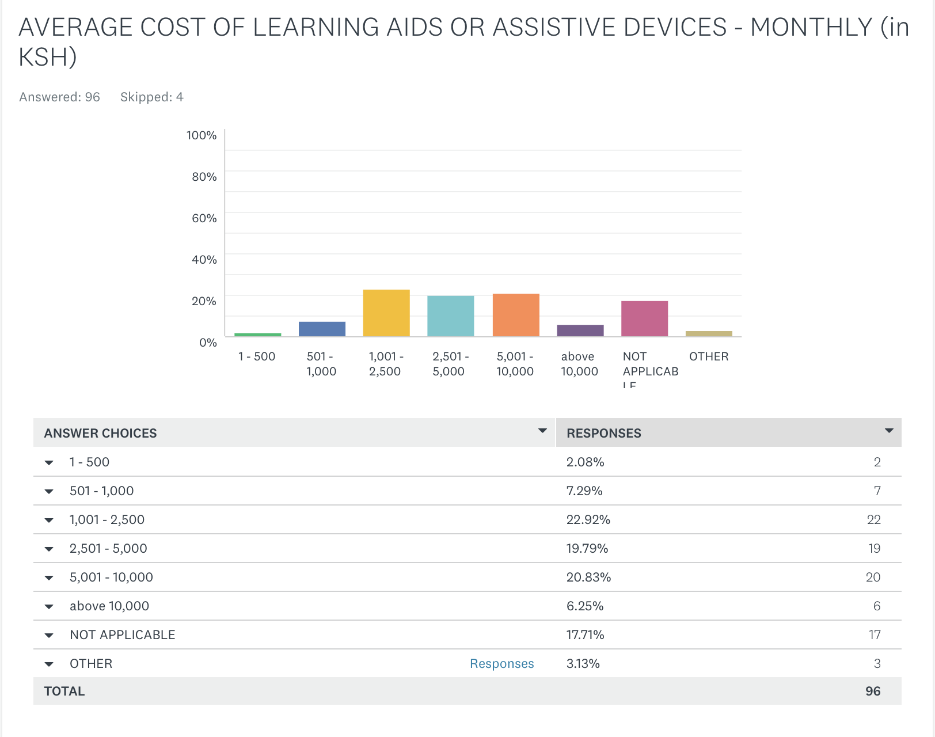
 |  |  |  |  | 0 |  | -

 |  |  |  |  | 80 |  | 356,290.00 | 4,453.63
 |  |  |  |  |  |  |  | BiA

